Section 1
SECTION 1: KEY TECHNICAL INFORMATION

a. | The proposed project will synchronize El Toro Road from Bridger Road to Valley Vista Way. The project includes twenty (20) signals over seven (7) miles. Figure 1 shows a map of the project area.

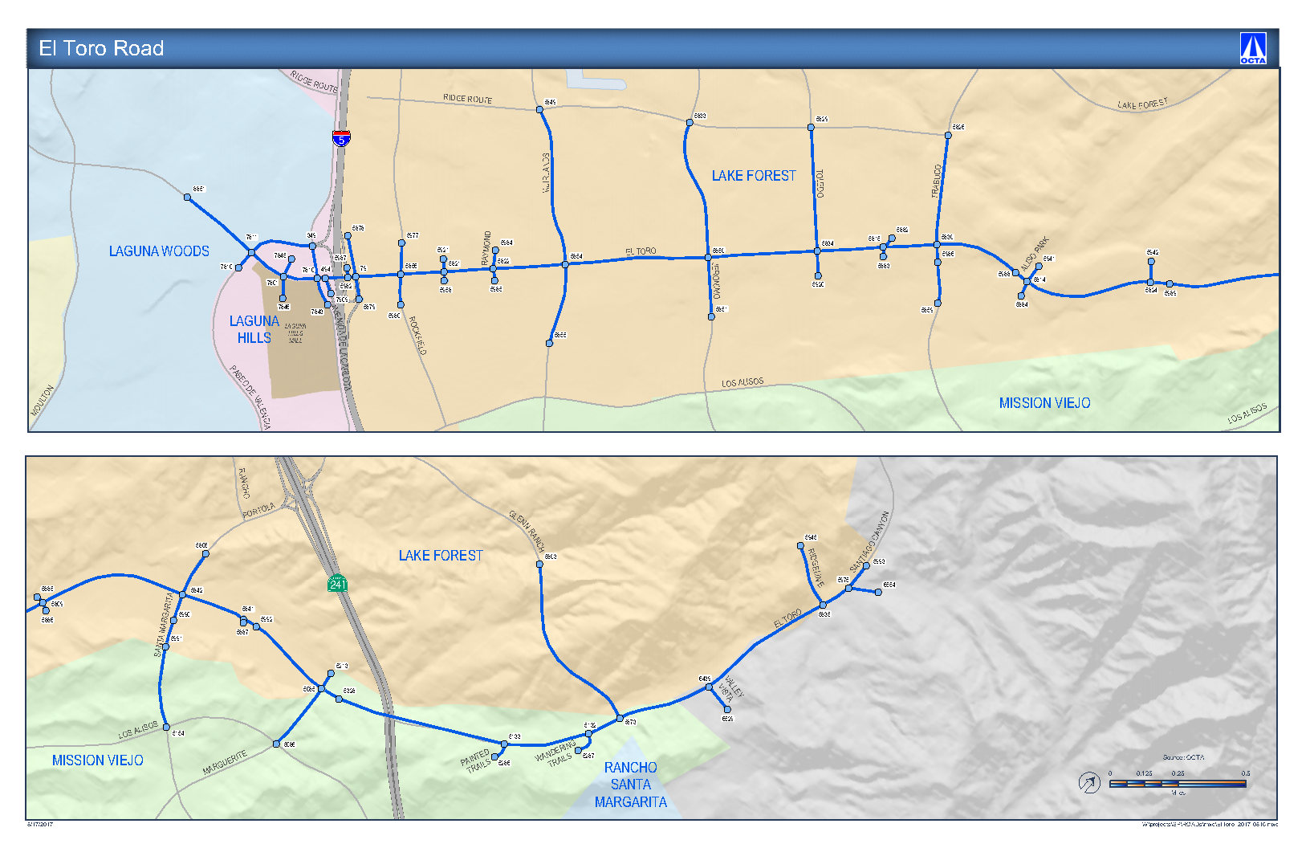

Figure 1: Signalized intersection and proposed project limits.

b. | Designation of the corridor to synchronize:

c. | Project Start Date: |  | Project End Date:

 | All agencies commit to operate signal sychronization BEYOND the three year grant period for:

d. | Signalized intersections that are part of the project:
 | City of Lake Forest
 | 1. El Toro Road @ Bridger |  |  | 12. El Toro Road @ Normandale Drive
 | 2. El Toro Road @ Rockfield Boulevard |  |  | 13. El Toro Road @ Portola Parkway
 | 3. El Toro Road @ Arbor Way |  |  | 14. El Toro Road @ Pheasant Run
 | 4. El Toro Road @ Raymond Way |  |  | 15. El Toro Road @ Ridgeline Drive
 | 5. El Toro Road @ Muirlands Boulevard |  |  | City of Mission Viejo
 | 6. El Toro Road @ Jeronimo Road |  |  | 16. El Toro Road @ Marguerite Parkway
 | 7. El Toro Road @ Toledo Way |  |  | 17. El Toro Road @ Painted Trails
 | 8. El Toro Road @ Serrano Road |  |  | 18. El Toro Road @ Wandering Trails
 | 9. El Toro Road @ Trabuco Road |  |  | 19. El Toro Road @ Glenn Ranch Road
 | 10. El Toro Road @ Aliso Park Drive |  |  | County of Orange
 | 11. El Toro Road @ Northcrest Drive |  |  | 20. El Toro Road @ Valley Vista Way

e. | Traffic Forum members: | Lake Forest
 |  | Mission Viejo
 |  | County of Orange
 |  | City of Laguna Hills

Section 3
SECTION 3: RESOLUTIONS OF SUPPORT

Resolutions of support from Traffic Forum members are provided on the following pages.

Orange County Regional Traffic Signal Synchronization Program Projects

A resolution of the _______________ City Council approving the submittal of ________________ improvement project(s) to the Orange County Transportation Authority for funding under the competitive Measure M2 Regional Traffic Signal Synchronization Program.
"Sample
Resolution"
Exhibit 8-2
Form
THE CITY COUNCIL OF THE CITY OF _________ HEREBY RESOLVES, DETERMINES, AND ORDERS AS FOLLOWS THAT:

(a) WHEREAS, the Measure M2 Regional Traffic Signal Synchronization Program targets over 2000 signalized intersections across Orange County to maintain traffic signal synchronization, improve traffic flow, and reduce congestion across jurisdictions; and

(b) WHEREAS, the City of __________ has been declared by the Orange County Transportation Authority to meet the eligibility requirements to receive revenues as part of Measure M2; and

(c) WHEREAS, the City must include all projects funded by Net Revenues in the seven-year Capital Improvements Program as part of the Renewed Measure M Ordinance eligibility requirement.

(d) WHEREAS, the City authorizes a formal amendment to the seven-year Capital Improvement program to add projects approved for funding upon approval from the Orange County Transportation Authority Board of Directors, if necessary.

(e) WHEREAS, the City of __________ has a currently adopted a Local Signal Synchronization Plan consistent with the Regional Traffic Signal Synchronization Master Plan as a key component of local agencies’ efforts to synchronizing traffic signals across local agencies’ boundaries; and

(f) WHEREAS, the City of __________ will provide matching funds for each project as required by the Orange County Comprehensive Transportation Funding Programs Procedures Manual; and

(g) WHEREAS, the City of __________ will not use Measure M funds to supplant Developer Fees or other commitments; and

(h) WHEREAS, the City of __________ desires to implement multi-jurisdictional signal synchronization listed below; and

NOW, THEREFORE, BE IT RESOLVED THAT:

The City Council of the City of __________ hereby requests the Orange County Transportation Authority allocate funds in the amounts specified in the City's application to said City from the Regional Traffic Signal Synchronization Program. Said funds, if approved, shall be matched by funds from said City as required and shall be used as supplemental funding to aid the City if signal synchronization along the following street(s):

ADOPTED BY THE CITY COUNCIL on ____________________, 20____.
SIGNED AND APPROVED on ____________________, 20____.

_________________
City Clerk

_________________
Mayor

